Putaran1
ALGORITMA AES

Plaintext | Kelompok2 AES
Kunci | prakskd
Algoritma | AES 128 bit -> 16 byte

 | K | m | 2 | S |  | P | s | null | null
 | e | p | Space | null |  | r | k | null | null
 | l | o | A | null |  | a | d | null | null
 | o | k | E | null |  | k | null | null | null

 |  | Konversi Teks Ke Hexadecimal

 | 4B | 6D | 32 | 53 |  | 50 | 73 | 00 | 00
 | 65 | 70 | 20 | 00 |  | 72 | 6B | 00 | 00
 | 6C | 6F | 41 | 00 |  | 61 | 64 | 00 | 00
 | 6F | 6B | 45 | 00 |  | 6B | 00 | 00 | 00

 | Konversi HExaDecimal ke Biner

 | 01001011 | 01101101 | 00110010 | 01010011 |  | 01010000 | 01110011 | 00000000 | 00000000
 | 01100101 | 01110000 | 00100000 | 00000000 |  | 01110010 | 01101011 | 00000000 | 00000000
 | 01101100 | 01101111 | 01000001 | 00000000 |  | 01100001 | 01100100 | 00000000 | 00000000
 | 01101111 | 01101011 | 01000101 | 00000000 |  | 01101011 | 00000000 | 00000000 | 00000000

 | Initial Round XoR

 | 01001011 | XoR | 01010000 | = | 00011011 |  | 01101101 | XoR | 01110011 | = | 00011110 |  | Hasil | 00011011 | 00011110 | 00110010 | 01010011
 | 01100101 | XoR | 01110010 | = | 00010111 |  | 01110000 | XoR | 01101011 | = | 00011011 |  |  | 00010111 | 00011011 | 00100000 | 00000000
 | 01101100 | XoR | 01100001 | = | 00001101 |  | 01101111 | XoR | 01100100 | = | 00001011 |  |  | 00001101 | 00001011 | 01000001 | 00000000
 | 01101111 | XoR | 01101011 | = | 00000100 |  | 01101011 | XoR | 00000000 | = | 01101011 |  |  | 00000100 | 01101011 | 01000101 | 00000000

 | 00110010 | XoR | 00000000 | = | 00110010 |  | 01010011 | XoR | 00000000 | = | 01010011 |  | Hasil Hexa | 1B | 1E | 32 | 53
 | 00100000 | XoR | 00000000 | = | 00100000 |  | 00000000 | XoR | 00000000 | = | 00000000 |  |  | 17 | 1B | 20 | 0
 | 01000001 | XoR | 00000000 | = | 01000001 |  | 00000000 | XoR | 00000000 | = | 00000000 |  |  | D | B | 41 | 0
 | 01000101 | XoR | 00000000 | = | 01000101 |  | 00000000 | XoR | 00000000 | = | 00000000 |  |  | 4 | 6B | 45 | 0

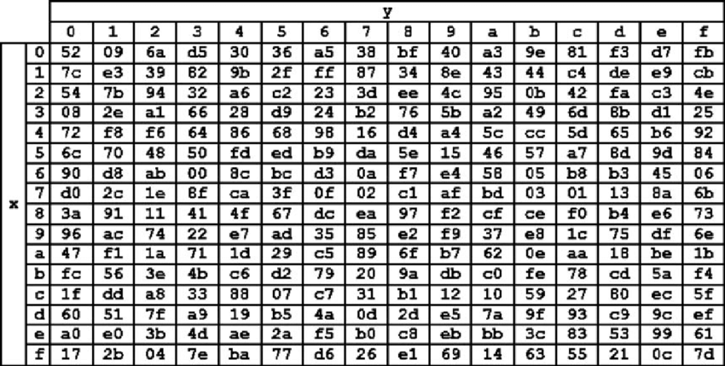
 | Hasil XoR |  |  |  |  |  |  |  |  | Tabel S -BOX
 | 1B | 1E | 32 | 53
 | 17 | 1B | 20 | 0
 | D | B | 41 | 0
 | 4 | 6B | 45 | 0

 | Proses Sub-bytes menggunakan tabel S-Box

 | 44 | E9 | A1 | 50
 | 87 | 44 | 54 | 52
 | F3 | 9E | F8 | 52
 | 30 | 05 | 68 | 52

 |  | Proses Shift Rows

 | 44 | E9 | A1 | 50 | Baris 1 Tidak digeser
 | 87 | 44 | 54 | 52 | Geser 1
 | F3 | 9E | F8 | 52 | Geser 2
 | 30 | 05 | 68 | 52 | Geser 3

 |  | Hasil Shift Rows

 | 44 | E9 | A1 | 50
 | 44 | 54 | 52 | 87
 | F8 | 52 | F3 | 9E
 | 52 | 30 | 05 | 68

 | Proses Mix Column

 | 02 | 03 | 01 | 01 |  | 44 | E9 | A1 | 50
 | 01 | 02 | 03 | 01 | * | 44 | 54 | 52 | 87
 | 01 | 01 | 02 | 03 |  | F8 | 52 | F3 | 9E
 | 03 | 01 | 01 | 02 |  | 52 | 30 | 05 | 68

 | 00000010 | 00000011 | 00000001 | 00000001 |  | 01000100 | 11101001 | 10100001 | 01010000 |  |  | 01000110 | 11101010 | 10100000 | 01010001
 | 00000001 | 00000010 | 00000011 | 00000001 | * | 01000100 | 01010100 | 01010010 | 10000111 |  | = | 01000101 | 01010110 | 01010001 | 10000110
 | 00000001 | 00000001 | 00000010 | 00000011 |  | 11111000 | 01010010 | 11110011 | 10011110 |  |  | 11111001 | 01010011 | 11110000 | 10011101
 | 00000011 | 00000001 | 00000001 | 00000010 |  | 01010010 | 00110000 | 00000101 | 01101000 |  |  | 01010001 | 00110001 | 00000100 | 01101010

 | Konversi Hexa
 | 46 | EA | A0 | 51
 | 45 | 56 | 51 | 86
 | F9 | 53 | F0 | 9D
 | 51 | 31 | 4 | 6A

 | Hasil putaran pertama adalah
 | 46 45 F9 51 | EA 56 53 31 | A0 51 F0 04 | 51 86 9D 6A

 | Lanjut putaran selanjut nya sampe 10x putaran

